Identify Flowcharting Symbols
The following symbols are commonly used in program flowcharts to visually represent processes and decision points. Please identify these symbols and provide a brief description of their purpose in flowcharting. (5 Points)

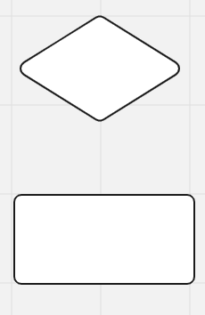
 | Symbol Name | External Module Call | Symbol Name | Decision Symbol
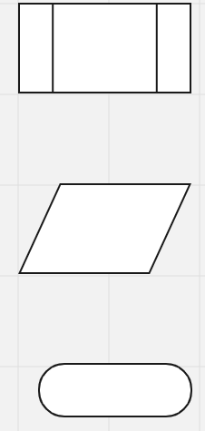
 | Indicates a call to a separate function, method, or subroutine |  | Represents a point where a question or decision is calculated

 | Symbol Name | Input Symbol | Symbol Name | Processing Symbol

 | This is used to show when an action is needed by the user |  | This is used to display a processing statement

 | Symbol Name | Terminal Symbol

 | This shows when the program starts and ends

SDLC - Interactive
1The Software Development Life Cycle (SDLC) is a structured process utilized for designing, developing, and testing high-quality software. It is a methodology that outlines the comprehensive process of software development in a systematic manner. For this assignment enter the name of the SDLC step in the blue boxes by double clicking on the terminal shape
Software Development Life Cycle (SDLC)
Understand the Problem
Plan the logic

Maintain the program

Write the code

2 Name two interactive programming languages.

Test the program
1 | Python

Translate the code
2 | C#

